Screen Shots
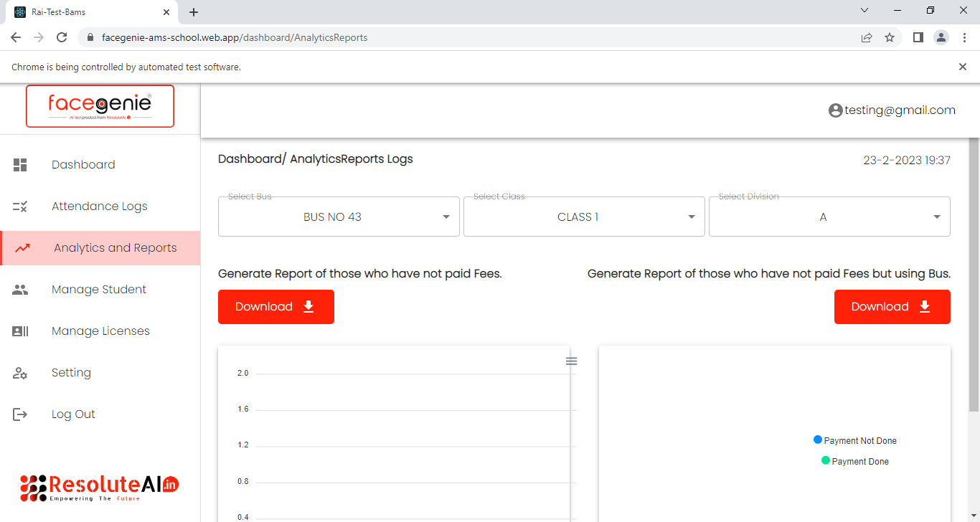
Generating the report for the existing students those who have not paid fees

